Indices

 | Iraq Stock Exchange
 | Bulletin No (65)
 | ISX Trading Indices of Thursday 16/4/2026

 | Traded Volume and OTC |  | 1,051,234,694 |  | Traded Value and OTC |  | 1,502,685,122 |  | Traders | 1208

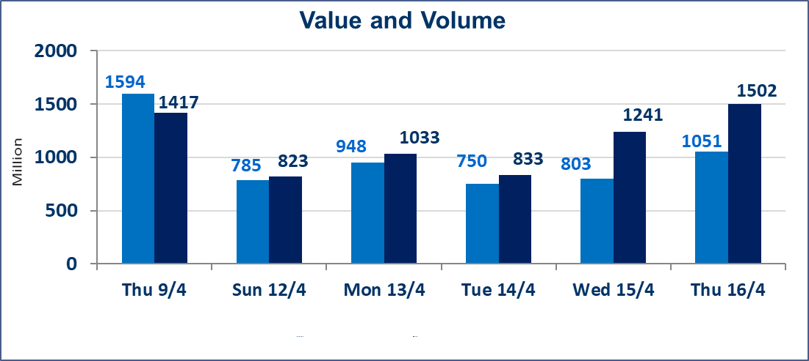
 | ISX Index 60 |  |  | 983.30 | ISX Index 15 |  |  | 1282.39
 | Previous ISX Index60 |  |  | 979.15 | Previous ISX Index15 |  |  | 1281.95
 | Change % |  |  | 0.42 | Change % |  |  | 0.03
 | Change |  |  | 4.15 | Change |  |  | 0.44

 | Listed Companies | 104 | OTC | 14 | Non Traded listed | 41 | OTC | 13
 | Traded Listed Companies | 52 | OTC | 1 | Higher Companies |  |  | 11
 | GAM Companies |  |  | 3 | Lower Companies |  |  | 15
 | Suspended Companies |  |  | 8
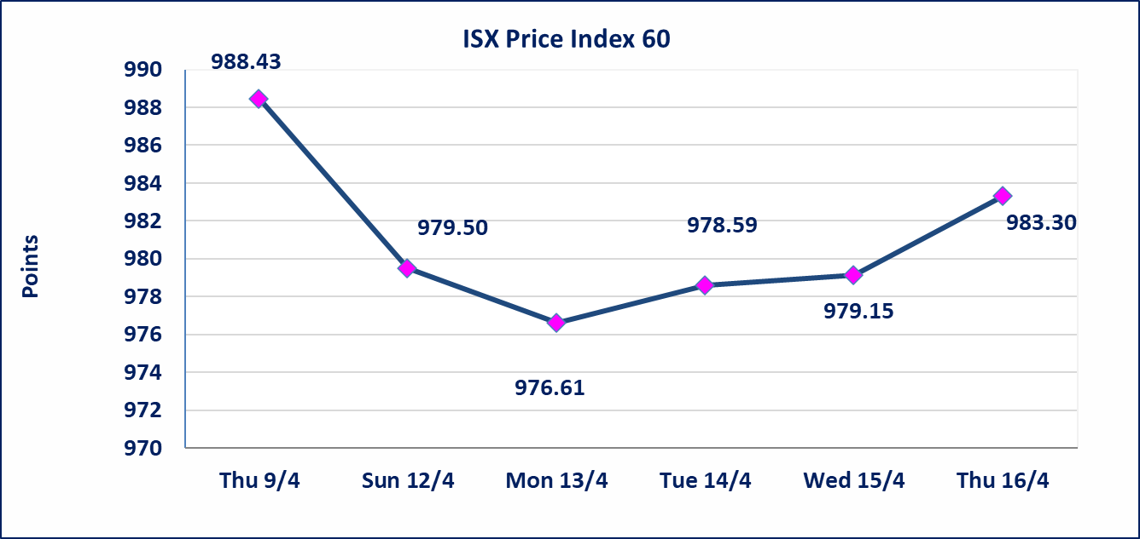
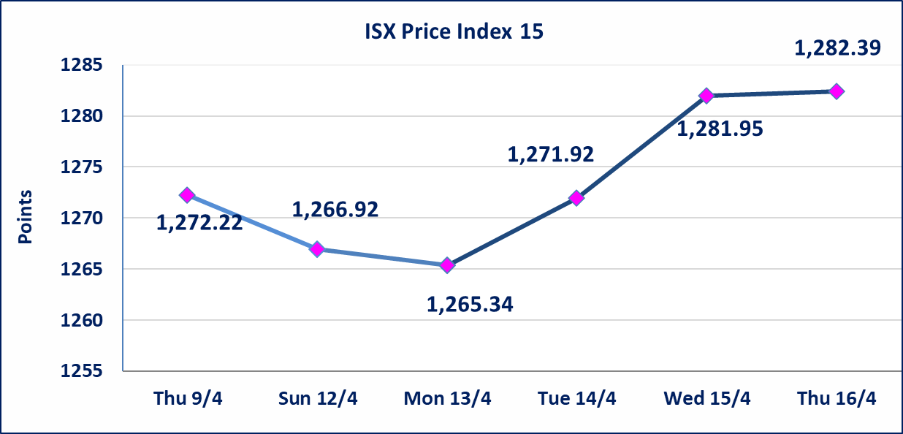

Al-Alwiya P.O . 3607 Mobile: 07711211522 - 07270094594 - 07834000034 E-mail: info-isx@isx-iq.net Web site:www.isx-iq.net

Top 5
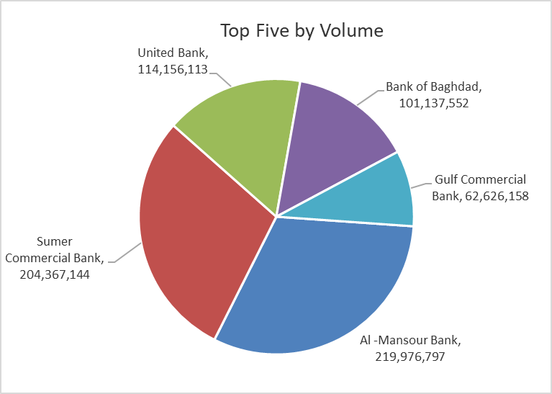
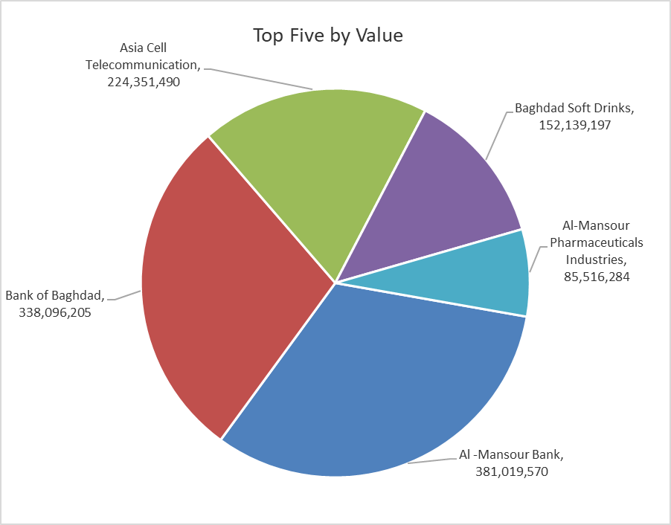

ISX top ganing and losing companies
Thursday 16/4/2026
 | Gainers |  |  |  | Losers
 | Company Name | Closing Price | Change (%) | Traded Volume | Company Name | Closing Price | Change (%) | Traded Volume
 | Baghdad Soft Drinks | 6.180 | 3.00 | 24,962,158 | Al-Kindi of Veterinary Vaccines | 2.400 | -4.00 | 2,687,811
 | National Islamic Bank | 0.960 | 2.13 | 100,000 | Dar Al-Salam for Insurance | 0.730 | -3.95 | 3,625,000
 | Iraqi For Tufted Carpets | 18.500 | 1.70 | 19,940 | Al-Hilal Industries | 1.350 | -3.57 | 7,299,816
 | Babil Animal & Vegetable Production | 8.600 | 1.53 | 299,270 | Agricultural Products Meat | 4.300 | -3.37 | 200,397
 | Commercial Islamic Bank of Iraq | 0.680 | 1.49 | 4,108,472 | Bank of Baghdad | 3.320 | -2.06 | 101,137,552
 | The most active companies in term of traded volume and value

 | Traded Volume |  |  |  | Traded Value
 | Company Name | Closing Price | Change (%) | Traded Volume | Company Name | Closing Price | Change (%) | Traded Value
 | Al -Mansour Bank | 1.740 | 0.58 | 219,976,797 | Al -Mansour Bank | 1.740 | 0.58 | 381,019,570
 | Sumer Commercial Bank | 0.200 | 0.00 | 204,367,144 | Bank of Baghdad | 3.320 | -2.06 | 338,096,205
 | United Bank | 0.050 | 0.00 | 114,156,113 | Asia Cell Telecommunication | 16.300 | -0.79 | 224,351,490
 | Bank of Baghdad | 3.320 | -2.06 | 101,137,552 | Baghdad Soft Drinks | 6.180 | 3.00 | 152,139,197
 | Gulf Commercial Bank | 0.380 | 0.00 | 62,626,158 | Al-Mansour Pharmaceuticals Industries | 2.200 | 0.00 | 85,516,284

Non Iraqi

Iraq Stock Exchange
Non Iraqis' Bulletin Thursday April 16 2026
Regular Market

Non Iraqi Trading of Regular Market (Sell)
Company Names | Code | No.of trades | Traded Shares | Trading Volume
Banks Sector
National Bank Of Iraq | BNOI | 12 | 2,698,371 | 13,761,792
Total Bank sector |  | 12 | 2,698,371 | 13,761,792
Industry Sector
Baghdad Soft Drinks | IBSD | 1 | 171,301 | 1,027,806
Total Industry sector |  | 1 | 171,301 | 1,027,806
Grand Total |  | 13 | 2869672 | 14789598

Not Trading Bonds

Iraq Stock Exchange
Thursday 16/4/2026
Not Trading Bonds Bulletin
Bond type | Publish type | Code | last trading price | immortilize date
Banaa Bonds /Million ID | Second | CB20 | 964,981 | 19/12/2025
Eamar Bonds /Million ID | First | CB30 | 1,001,095 | ــــــــــــــــ
Eamar Bonds /Million ID | Second | CB40 | ــــــــــــــــ | ــــــــــــــــ
Eamar Bonds /500 Thousand ID | Third | CB45 | ــــــــــــــــ | ــــــــــــــــ
Eamar Bonds /Million ID | Third | CB50 | ــــــــــــــــ | ــــــــــــــــ
Injaz Bonds /500 Thousand ID | First | CB55 | ــــــــــــــــ | ــــــــــــــــ
Injaz Bonds /Million ID | First | CB60 | ــــــــــــــــ | ــــــــــــــــ
Injaz Bonds /500 Thousand ID | Second | CB65 | 507,301 | ــــــــــــــــ
Injaz Bonds /Million ID | Second | CB70 | 965,050 | ــــــــــــــــ
Injaz Bonds /500 Thousand ID | Third | CB75 | ــــــــــــــــ | ــــــــــــــــ
Injaz Bonds /Million ID | Third | CB80 | 978,182 | ــــــــــــــــ
National Bonds/Million ID | First | CB90 | ــــــــــــــــ | ــــــــــــــــ
National Bonds/500 Thousand ID | Second | CB95 | ــــــــــــــــ | ــــــــــــــــ
National Bonds/Million ID | Second | CB100 | ــــــــــــــــ | ــــــــــــــــ

